urban-residential-cooling
Notes:
1. In MOP's study cooling components represents the appliances to space cooling (AC and ventilator) and the appliances to cool food (fridge and freezer);
2. MOP computes the energy demand in ktep, to convert to BTU we assume the factor: 1 tep = 3,968e+7 BTU or 1 ktep = 3,968e+10 BTU;
39683051201

Figure 85 - Energy Consumption from Climate Use in the REF Scenario by Equipment (2010-2050)
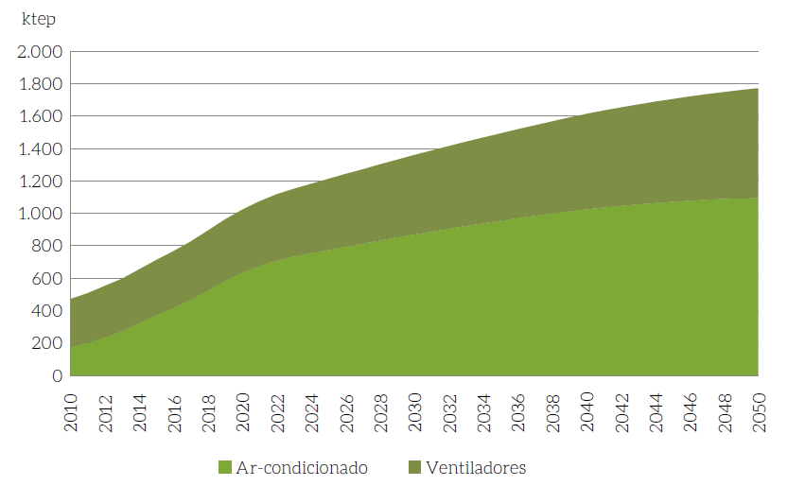

The table below is from the excel file that generated the results for buildings sector.
* Data in ktep
Sector | Demand | Energetic / End Use | 2010 | 2011 | 2012 | 2013 | 2014 | 2015 | 2016 | 2017 | 2018 | 2019 | 2020 | 2021 | 2022 | 2023 | 2024 | 2025 | 2026 | 2027 | 2028 | 2029 | 2030 | 2031 | 2032 | 2033 | 2034 | 2035 | 2036 | 2037 | 2038 | 2039 | 2040 | 2041 | 2042 | 2043 | 2044 | 2045 | 2046 | 2047 | 2048 | 2049 | 2050
Residential | Water heating | Natural gas | 143
Residential | Water heating | LPG | 94
Residential | Water heating | Electricity | 1,649
Residential | Water heating | Solar | -
Residential | Cooking | Natural gas | 112
Residential | Cooking | LPG | 6,204
Residential | Cooking | Firewood | 7,276
Residential | Cooking | Charcoal | 509
Residential | Cooking | Electricity | - | - | - | - | - | - | - | - | - | - | - | - | - | - | - | - | - | - | - | - | - | - | - | - | - | - | - | - | - | - | - | - | - | - | - | - | - | - | - | - | -
Residential | Cooking | Solar | - | - | - | - | - | - | - | - | - | - | - | - | - | - | - | - | - | - | - | - | - | - | - | - | - | - | - | - | - | - | - | - | - | - | - | - | - | - | - | - | -
Residential | Lighting | Electricity | 1,470 | 1,510 | 1,554 | 1,562 | 1,597 | 1,633 | 841 | 861 | 881 | 902 | 923 | 943 | 964 | 984 | 1,005 | 1,026 | 1,047 | 1,068 | 1,090 | 1,112 | 1,133 | 1,153 | 1,173 | 1,194 | 1,214 | 1,235 | 1,255 | 1,276 | 1,297 | 1,318 | 1,340 | 1,357 | 1,375 | 1,393 | 1,411 | 1,429 | 1,447 | 1,465 | 1,484 | 1,502 | 1,521
Residential | Climatization | Electricity | 503 | 533 | 572 | 610 | 660 | 711 | 759 | 811 | 871 | 932 | 987 | 1,034 | 1,074 | 1,106 | 1,136 | 1,165 | 1,195 | 1,224 | 1,253 | 1,282 | 1,310 | 1,337 | 1,364 | 1,391 | 1,417 | 1,443 | 1,469 | 1,493 | 1,518 | 1,541 | 1,564 | 1,585 | 1,605 | 1,624 | 1,642 | 1,659 | 1,675 | 1,690 | 1,705 | 1,718 | 1,731
Residential | Cooling | Electricity | 2,113 | 2,179 | 2,251 | 2,270 | 2,330 | 2,391 | 2,453 | 2,515 | 2,578 | 2,641 | 2,704 | 2,765 | 2,827 | 2,889 | 2,951 | 3,014 | 3,077 | 3,140 | 3,204 | 3,268 | 3,332 | 3,391 | 3,449 | 3,507 | 3,566 | 3,625 | 3,684 | 3,743 | 3,802 | 3,861 | 3,921 | 3,969 | 4,017 | 4,065 | 4,113 | 4,161 | 4,209 | 4,257 | 4,305 | 4,353 | 4,400
Residential | Others | Electricity | 3,485 | 3,716 | 3,864 | 3,971 | 4,141 | 4,324 | 4,517 | 4,728 | 4,960 | 5,218 | 5,505 | 5,605 | 5,807 | 5,934 | 6,086 | 6,245 | 6,412 | 6,588 | 6,773 | 6,813 | 6,910 | 6,997 | 7,094 | 7,191 | 7,289 | 7,387 | 7,485 | 7,584 | 7,683 | 7,782 | 7,882 | 7,963 | 8,050 | 8,137 | 8,224 | 8,311 | 8,399 | 8,487 | 8,575 | 8,663 | 8,751
Residential | Lighting | Kerosene | 4
Commercial | Water heating | Natural gas
Commercial | Water heating | LPG
Commercial | Water heating | Electricity
Commercial | Water heating | Solar
Commercial | Cooking | Natural gas
Commercial | Cooking | LPG
Commercial | Cooking | Firewood
Commercial | Cooking | Charcoal
Commercial | Cooking | Electricity
Commercial | Cooking | Solar
Commercial | Climatization | Natural gas
Commercial | Climatization | Electricity | 1262 | 1320 | 1379 | 1437 | 1495 | 1553 | 1664 | 1775 | 1885 | 1996 | 2107 | 2329 | 2551 | 2772 | 2994 | 3216 | 3585 | 3955 | 4325 | 4695 | 5064 | 5509 | 5955 | 6400 | 6845 | 7291 | 7688 | 8085 | 8483 | 8880 | 9277 | 9593 | 9908 | 10223 | 10538 | 10853 | 11145 | 11437 | 11728 | 12020 | 12312
Commercial | Climatization | Solar
Commercial | Lighting | Electricity
Commercial | Street lighting | Electricity
Commercial | Cooling | Electricity
Commercial | Others | Electricity
Commercial | Power cogeneration | Natural gas

urban-residential-lighting
Notes:
1. MOP computes the energy demand in ktep, to convert to BTU we assume the factor: 1 tep = 3,968e+7 BTU or 1 ktep = 3,968e+10 BTU;
39683051201

Figure 78 - Energy Consumption of Lighting Use in the REF Scenario by Type of Technology (2010-2050)
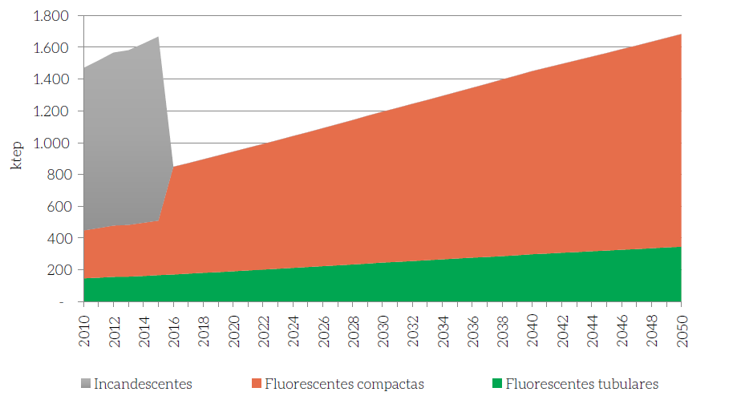

The table below is from the excel file that generated the results for buildings sector.
* Data in ktep
Sector | Demand | Energetic / End Use | 2010 | 2011 | 2012 | 2013 | 2014 | 2015 | 2016 | 2017 | 2018 | 2019 | 2020 | 2021 | 2022 | 2023 | 2024 | 2025 | 2026 | 2027 | 2028 | 2029 | 2030 | 2031 | 2032 | 2033 | 2034 | 2035 | 2036 | 2037 | 2038 | 2039 | 2040 | 2041 | 2042 | 2043 | 2044 | 2045 | 2046 | 2047 | 2048 | 2049 | 2050
Residential | Water heating | Natural gas | 143
Residential | Water heating | LPG | 94
Residential | Water heating | Electricity | 1,649
Residential | Water heating | Solar | -
Residential | Cooking | Natural gas | 112
Residential | Cooking | LPG | 6,204
Residential | Cooking | Firewood | 7,276
Residential | Cooking | Charcoal | 509
Residential | Cooking | Electricity | - | - | - | - | - | - | - | - | - | - | - | - | - | - | - | - | - | - | - | - | - | - | - | - | - | - | - | - | - | - | - | - | - | - | - | - | - | - | - | - | -
Residential | Cooking | Solar | - | - | - | - | - | - | - | - | - | - | - | - | - | - | - | - | - | - | - | - | - | - | - | - | - | - | - | - | - | - | - | - | - | - | - | - | - | - | - | - | -
Residential | Lighting | Electricity | 1,470 | 1,510 | 1,554 | 1,562 | 1,597 | 1,633 | 841 | 861 | 881 | 902 | 923 | 943 | 964 | 984 | 1,005 | 1,026 | 1,047 | 1,068 | 1,090 | 1,112 | 1,133 | 1,153 | 1,173 | 1,194 | 1,214 | 1,235 | 1,255 | 1,276 | 1,297 | 1,318 | 1,340 | 1,357 | 1,375 | 1,393 | 1,411 | 1,429 | 1,447 | 1,465 | 1,484 | 1,502 | 1,521
Residential | Climatization | Electricity | 503 | 533 | 572 | 610 | 660 | 711 | 759 | 811 | 871 | 932 | 987 | 1,034 | 1,074 | 1,106 | 1,136 | 1,165 | 1,195 | 1,224 | 1,253 | 1,282 | 1,310 | 1,337 | 1,364 | 1,391 | 1,417 | 1,443 | 1,469 | 1,493 | 1,518 | 1,541 | 1,564 | 1,585 | 1,605 | 1,624 | 1,642 | 1,659 | 1,675 | 1,690 | 1,705 | 1,718 | 1,731
Residential | Cooling | Electricity | 2,113 | 2,179 | 2,251 | 2,270 | 2,330 | 2,391 | 2,453 | 2,515 | 2,578 | 2,641 | 2,704 | 2,765 | 2,827 | 2,889 | 2,951 | 3,014 | 3,077 | 3,140 | 3,204 | 3,268 | 3,332 | 3,391 | 3,449 | 3,507 | 3,566 | 3,625 | 3,684 | 3,743 | 3,802 | 3,861 | 3,921 | 3,969 | 4,017 | 4,065 | 4,113 | 4,161 | 4,209 | 4,257 | 4,305 | 4,353 | 4,400
Residential | Others | Electricity | 3,485 | 3,716 | 3,864 | 3,971 | 4,141 | 4,324 | 4,517 | 4,728 | 4,960 | 5,218 | 5,505 | 5,605 | 5,807 | 5,934 | 6,086 | 6,245 | 6,412 | 6,588 | 6,773 | 6,813 | 6,910 | 6,997 | 7,094 | 7,191 | 7,289 | 7,387 | 7,485 | 7,584 | 7,683 | 7,782 | 7,882 | 7,963 | 8,050 | 8,137 | 8,224 | 8,311 | 8,399 | 8,487 | 8,575 | 8,663 | 8,751
Residential | Lighting | Kerosene | 4
Commercial | Water heating | Natural gas
Commercial | Water heating | LPG
Commercial | Water heating | Electricity
Commercial | Water heating | Solar
Commercial | Cooking | Natural gas
Commercial | Cooking | LPG
Commercial | Cooking | Firewood
Commercial | Cooking | Charcoal
Commercial | Cooking | Electricity
Commercial | Cooking | Solar
Commercial | Climatization | Natural gas
Commercial | Climatization | Electricity | 1262 | 1320 | 1379 | 1437 | 1495 | 1553 | 1664 | 1775 | 1885 | 1996 | 2107 | 2329 | 2551 | 2772 | 2994 | 3216 | 3585 | 3955 | 4325 | 4695 | 5064 | 5509 | 5955 | 6400 | 6845 | 7291 | 7688 | 8085 | 8483 | 8880 | 9277 | 9593 | 9908 | 10223 | 10538 | 10853 | 11145 | 11437 | 11728 | 12020 | 12312
Commercial | Climatization | Solar
Commercial | Lighting | Electricity
Commercial | Street lighting | Electricity
Commercial | Cooling | Electricity
Commercial | Others | Electricity
Commercial | Power cogeneration | Natural gas

urban-residential-appl
Notes:
1. In MOP's study, appliances represents the follows gears: TV, electric iron, washing machine, computer, Water heaters (shower propose) and others.
2. MOP computes the energy demand in ktep, to convert to BTU we assume the factor: 1 tep = 3,968e+7 BTU or 1 ktep = 3,968e+10 BTU;
39683051201

Figure 100 - Energy Consumption of Water Heating in the REF Scenario by Energy (2010-2050) |  |  |  |  |  |  | Figure 101 - Energy Consumption of Other Uses in the REF Scenario by Type of Equipment (2010-2050)
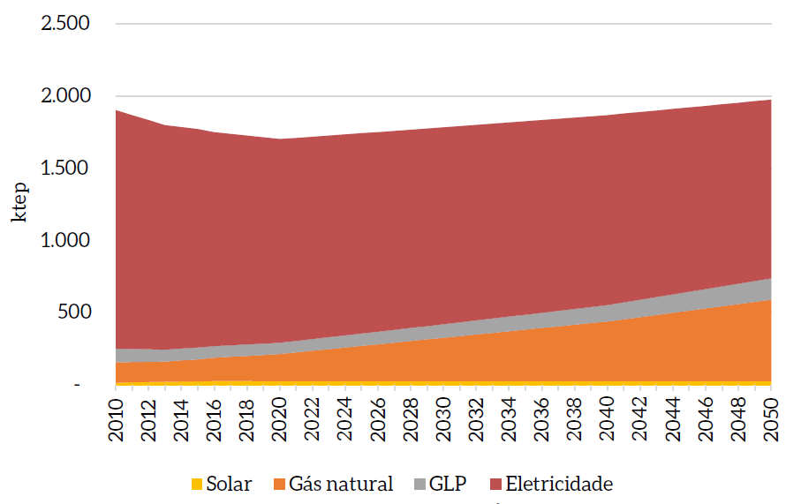
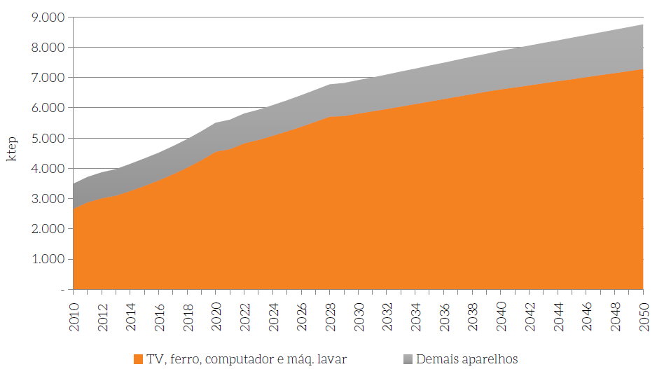

The table below is from the excel file that generated the results for buildings sector.

Total power consumption (GWh and 10 ^ 3 TEP) | 2010 | 2011 | 2012 | 2013 | 2014 | 2015 | 2016 | 2017 | 2018 | 2019 | 2020 | 2021 | 2022 | 2023 | 2024 | 2025 | 2026 | 2027 | 2028 | 2029 | 2030 | 2031 | 2032 | 2033 | 2034 | 2035 | 2036 | 2037 | 2038 | 2039 | 2040 | 2041 | 2042 | 2043 | 2044 | 2045 | 2046 | 2047 | 2048 | 2049 | 2050
GWh | 40,528 | 43,217 | 44,939 | 46,186 | 48,158 | 50,293 | 52,529 | 54,982 | 57,688 | 60,688 | 64,029 | 65,188 | 67,530 | 69,009 | 70,777 | 72,629 | 74,575 | 76,620 | 78,774 | 79,237 | 80,369 | 81,380 | 82,505 | 83,635 | 84,771 | 85,912 | 87,054 | 88,202 | 89,353 | 90,509 | 91,669 | 92,607 | 93,618 | 94,630 | 95,645 | 96,661 | 97,680 | 98,700 | 99,722 | 100,746 | 101,773
10 ^ 3 TEP | 3,485 | 3,716 | 3,864 | 3,971 | 4,141 | 4,324 | 4,517 | 4,728 | 4,960 | 5,218 | 5,505 | 5,605 | 5,807 | 5,934 | 6,086 | 6,245 | 6,412 | 6,588 | 6,773 | 6,813 | 6,910 | 6,997 | 7,094 | 7,191 | 7,289 | 7,387 | 7,485 | 7,584 | 7,683 | 7,782 | 7,882 | 7,963 | 8,050 | 8,137 | 8,224 | 8,311 | 8,399 | 8,487 | 8,575 | 8,663 | 8,751

Shareholding with elasticity | 2010 | 2011 | 2012 | 2013 | 2014 | 2015 | 2016 | 2017 | 2018 | 2019 | 2020 | 2021 | 2022 | 2023 | 2024 | 2025 | 2026 | 2027 | 2028 | 2029 | 2030 | 2031 | 2032 | 2033 | 2034 | 2035 | 2036 | 2037 | 2038 | 2039 | 2040 | 2041 | 2042 | 2043 | 2044 | 2045 | 2046 | 2047 | 2048 | 2049 | 2050
TV, iron, PC, machine of washing | 76.3% | 77.3% | 77.8% | 78.0% | 78.5% | 79.0% | 79.7% | 80.4% | 81.1% | 81.8% | 82.6% | 82.7% | 83.0% | 83.2% | 83.4% | 83.6% | 83.8% | 84.0% | 84.2% | 84.1% | 84.1% | 84.0% | 84.0% | 84.0% | 84.0% | 84.0% | 84.0% | 83.9% | 83.9% | 83.9% | 83.9% | 83.8% | 83.7% | 83.7% | 83.6% | 83.6% | 83.5% | 83.4% | 83.3% | 83.3% | 83.2%
Other appliances | 23.7% | 22.7% | 22.2% | 22.0% | 21.5% | 21.0% | 20.3% | 19.6% | 18.9% | 18.2% | 17.4% | 17.3% | 17.0% | 16.8% | 16.6% | 16.4% | 16.2% | 16.0% | 15.8% | 15.9% | 15.9% | 16.0% | 16.0% | 16.0% | 16.0% | 16.0% | 16.0% | 16.1% | 16.1% | 16.1% | 16.1% | 16.2% | 16.3% | 16.3% | 16.4% | 16.4% | 16.5% | 16.6% | 16.7% | 16.7% | 16.8%

Water heaters (shower propose)
Residential Energy Consumption (ktep)

Energetic used | 2010 | 2011 | 2012 | 2013 | 2014 | 2015 | 2016 | 2017 | 2018 | 2019 | 2020 | 2021 | 2022 | 2023 | 2024 | 2025 | 2026 | 2027 | 2028 | 2029 | 2030 | 2031 | 2032 | 2033 | 2034 | 2035 | 2036 | 2037 | 2038 | 2039 | 2040 | 2041 | 2042 | 2043 | 2044 | 2045 | 2046 | 2047 | 2048 | 2049 | 2050
Solar | 0 | 0 | 0 | 0 | 0 | 0 | 0 | 0 | 0 | 0 | 0 | 0 | 0 | 0 | 0 | 0 | 0 | 0 | 0 | 0 | 0 | 0 | 0 | 0 | 0 | 0 | 0 | 0 | 0 | 0 | 0 | 0 | 0 | 0 | 0 | 0 | 0 | 0 | 0 | 0 | 0
Natural gas | 141.70926513 | 140.83056022 | 139.94944875 | 139.06593073 | 146.47132965 | 153.74878528 | 160.89829764 | 167.91986672 | 174.81349252 | 181.57917504 | 188.21691429 | 199.50992914 | 210.802944 | 222.09595886 | 233.38897372 | 244.68198857 | 255.97500343 | 267.26801829 | 278.56103314 | 289.854048 | 301.14706286 | 312.44007772 | 323.73309257 | 335.02610743 | 346.31912229 | 357.61213715 | 368.905152 | 380.19816686 | 391.49118172 | 402.78419657 | 414.07721143 | 429.13456457 | 444.19191772 | 459.24927086 | 474.306624 | 489.36397715 | 504.42133029 | 519.47868343 | 534.53603658 | 549.59338972 | 564.65074286
LPG | 93.617302633 | 89.97562172 | 86.379927764 | 82.830220765 | 82.164530687 | 81.498840609 | 80.833150531 | 80.167460453 | 79.501770375 | 78.836080297 | 78.170390219 | 79.733798023 | 81.297205828 | 82.860613632 | 84.424021436 | 85.987429241 | 87.550837045 | 89.11424485 | 90.677652654 | 92.241060458 | 93.804468263 | 95.758728018 | 97.712987774 | 99.667247529 | 101.62150728 | 103.57576704 | 105.5300268 | 107.48428655 | 109.43854631 | 111.39280606 | 113.34706582 | 116.86473338 | 120.38240094 | 123.9000685 | 127.41773606 | 130.93540362 | 134.45307118 | 137.97073874 | 141.4884063 | 145.00607386 | 148.52374142
Electricity | 1653.1692064 | 1620.1467982 | 1587.4569205 | 1555.0995732 | 1534.1811274 | 1513.3525079 | 1481.4794228 | 1463.7073105 | 1445.9628371 | 1428.2460026 | 1410.556807 | 1405.7997972 | 1401.0427875 | 1396.2857777 | 1391.528768 | 1386.7717582 | 1382.0147484 | 1377.2577387 | 1372.5007289 | 1367.7437192 | 1362.9867094 | 1358.2296996 | 1353.4726899 | 1348.7156801 | 1343.9586704 | 1339.2016606 | 1334.4446508 | 1329.6876411 | 1324.9306313 | 1320.1736216 | 1315.4166118 | 1307.5572044 | 1299.6977969 | 1291.8383895 | 1283.9789821 | 1276.1195747 | 1268.2601672 | 1260.4007598 | 1252.5413524 | 1244.6819449 | 1236.8225375

urban-residential-other
Notes:
1. Others represents cooking components.
2. MOP computes the energy demand in ktep, to convert to BTU we assume the factor: 1 tep = 3,968e+7 BTU or 1 ktep = 3,968e+10 BTU;
3.97E+10

Figure 97 - Energy Use of Cooking in the REF Scenario by Energy (2010-2050)
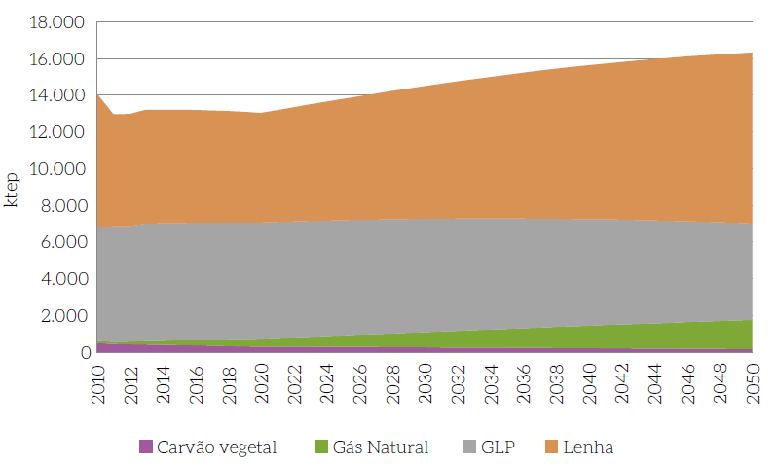

The table below is from the excel file that generated the results for buildings sector.
Energy consumption
ktep
Residential consumption Cooking | 2010 | 2011 | 2012 | 2013 | 2014 | 2015 | 2016 | 2017 | 2018 | 2019 | 2020 | 2021 | 2022 | 2023 | 2024 | 2025 | 2026 | 2027 | 2028 | 2029 | 2030 | 2031 | 2032 | 2033 | 2034 | 2035 | 2036 | 2037 | 2038 | 2039 | 2040 | 2041 | 2042 | 2043 | 2044 | 2045 | 2046 | 2047 | 2048 | 2049 | 2050
Natural gas | 112 | 123 | 156 | 193 | 227 | 262 | 297 | 332 | 367 | 402 | 438 | 475 | 513 | 551 | 590 | 628 | 667 | 706 | 746 | 785 | 825 | 865 | 904 | 944 | 984 | 1,024 | 1,064 | 1,103 | 1,143 | 1,182 | 1,221 | 1,260 | 1,298 | 1,336 | 1,374 | 1,411 | 1,448 | 1,484 | 1,520 | 1,555 | 1,590
Firewood (biomass) | 7,276 | 6,112 | 6,114 | 6,213 | 6,203 | 6,185 | 6,158 | 6,123 | 6,080 | 6,028 | 5,968 | 6,097 | 6,226 | 6,355 | 6,483 | 6,611 | 6,737 | 6,864 | 6,989 | 7,113 | 7,236 | 7,358 | 7,479 | 7,598 | 7,717 | 7,834 | 7,949 | 8,062 | 8,173 | 8,282 | 8,390 | 8,494 | 8,596 | 8,696 | 8,793 | 8,888 | 8,979 | 9,068 | 9,154 | 9,237 | 9,317
LPG | 6,204 | 6,288 | 6,287 | 6,391 | 6,389 | 6,384 | 6,377 | 6,368 | 6,356 | 6,342 | 6,325 | 6,320 | 6,312 | 6,302 | 6,289 | 6,275 | 6,258 | 6,239 | 6,218 | 6,195 | 6,169 | 6,142 | 6,112 | 6,081 | 6,048 | 6,012 | 5,975 | 5,936 | 5,895 | 5,851 | 5,806 | 5,759 | 5,710 | 5,659 | 5,606 | 5,551 | 5,495 | 5,437 | 5,378 | 5,317 | 5,255
Charcoal (biomass) | 509 | 445 | 428 | 419 | 403 | 386 | 370 | 353 | 337 | 320 | 304 | 301 | 298 | 295 | 292 | 288 | 285 | 281 | 277 | 273 | 269 | 265 | 260 | 256 | 251 | 247 | 242 | 237 | 232 | 227 | 222 | 217 | 211 | 206 | 201 | 195 | 190 | 184 | 178 | 173 | 167

commercial-residential-cooling
Notes:
1. According to MOP Building Book, the approach to estimate commercial cooling follows an indirect method, c
onsidering that in the commercial sector there is no disaggregated statistics on sales or ownership of air conditioning equipment.
Additionally, only air conditioning is considered, disregarding the ventilators;
2. MOP computes the energy demand in ktep, to convert to BTU we assume the factor: 1 tep = 3,968e+7 BTU or 1 ktep = 3,968e+10 BTU;
39683051201

Table 69 - Energy Consumption of the Commercial Sector and Services in the REF Scenario (2050 in ktep)
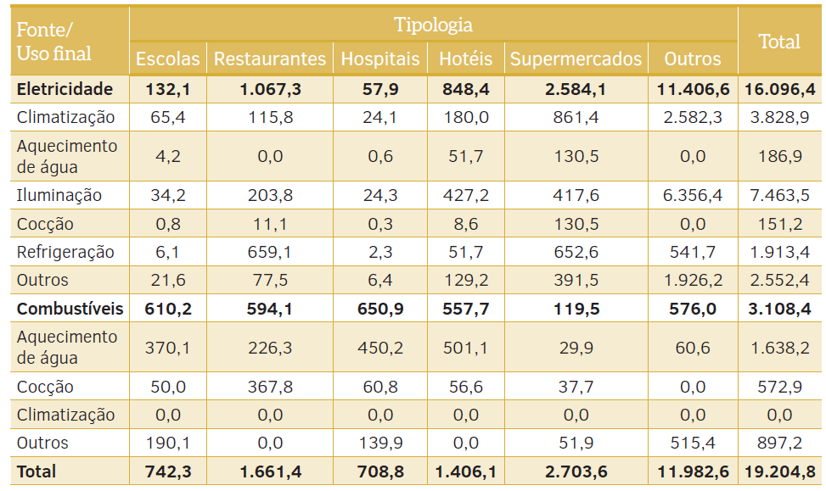

The table below is from the excel file that generated the results for buildings sector.
* Data in ktep
Sector | Demand | Energetic / End Use | 2010 | 2011 | 2012 | 2013 | 2014 | 2015 | 2016 | 2017 | 2018 | 2019 | 2020 | 2021 | 2022 | 2023 | 2024 | 2025 | 2026 | 2027 | 2028 | 2029 | 2030 | 2031 | 2032 | 2033 | 2034 | 2035 | 2036 | 2037 | 2038 | 2039 | 2040 | 2041 | 2042 | 2043 | 2044 | 2045 | 2046 | 2047 | 2048 | 2049 | 2050
Residential | Water heating | Natural gas | 143
Residential | Water heating | LPG | 94
Residential | Water heating | Electricity | 1,649
Residential | Water heating | Solar | -
Residential | Cooking | Natural gas | 112
Residential | Cooking | LPG | 6,204
Residential | Cooking | Firewood | 7,276
Residential | Cooking | Charcoal | 509
Residential | Cooking | Electricity | - | - | - | - | - | - | - | - | - | - | - | - | - | - | - | - | - | - | - | - | - | - | - | - | - | - | - | - | - | - | - | - | - | - | - | - | - | - | - | - | -
Residential | Cooking | Solar | - | - | - | - | - | - | - | - | - | - | - | - | - | - | - | - | - | - | - | - | - | - | - | - | - | - | - | - | - | - | - | - | - | - | - | - | - | - | - | - | -
Residential | Lighting | Electricity | 1,470 | 1,510 | 1,554 | 1,562 | 1,597 | 1,633 | 841 | 861 | 881 | 902 | 923 | 943 | 964 | 984 | 1,005 | 1,026 | 1,047 | 1,068 | 1,090 | 1,112 | 1,133 | 1,153 | 1,173 | 1,194 | 1,214 | 1,235 | 1,255 | 1,276 | 1,297 | 1,318 | 1,340 | 1,357 | 1,375 | 1,393 | 1,411 | 1,429 | 1,447 | 1,465 | 1,484 | 1,502 | 1,521
Residential | Climatization | Electricity | 503 | 533 | 572 | 610 | 660 | 711 | 759 | 811 | 871 | 932 | 987 | 1,034 | 1,074 | 1,106 | 1,136 | 1,165 | 1,195 | 1,224 | 1,253 | 1,282 | 1,310 | 1,337 | 1,364 | 1,391 | 1,417 | 1,443 | 1,469 | 1,493 | 1,518 | 1,541 | 1,564 | 1,585 | 1,605 | 1,624 | 1,642 | 1,659 | 1,675 | 1,690 | 1,705 | 1,718 | 1,731
Residential | Cooling | Electricity | 2,113 | 2,179 | 2,251 | 2,270 | 2,330 | 2,391 | 2,453 | 2,515 | 2,578 | 2,641 | 2,704 | 2,765 | 2,827 | 2,889 | 2,951 | 3,014 | 3,077 | 3,140 | 3,204 | 3,268 | 3,332 | 3,391 | 3,449 | 3,507 | 3,566 | 3,625 | 3,684 | 3,743 | 3,802 | 3,861 | 3,921 | 3,969 | 4,017 | 4,065 | 4,113 | 4,161 | 4,209 | 4,257 | 4,305 | 4,353 | 4,400
Residential | Others | Electricity | 3,485 | 3,716 | 3,864 | 3,971 | 4,141 | 4,324 | 4,517 | 4,728 | 4,960 | 5,218 | 5,505 | 5,605 | 5,807 | 5,934 | 6,086 | 6,245 | 6,412 | 6,588 | 6,773 | 6,813 | 6,910 | 6,997 | 7,094 | 7,191 | 7,289 | 7,387 | 7,485 | 7,584 | 7,683 | 7,782 | 7,882 | 7,963 | 8,050 | 8,137 | 8,224 | 8,311 | 8,399 | 8,487 | 8,575 | 8,663 | 8,751
Residential | Lighting | Kerosene | 4
Commercial | Water heating | Natural gas
Commercial | Water heating | LPG
Commercial | Water heating | Electricity
Commercial | Water heating | Solar
Commercial | Cooking | Natural gas
Commercial | Cooking | LPG
Commercial | Cooking | Firewood
Commercial | Cooking | Charcoal
Commercial | Cooking | Electricity
Commercial | Cooking | Solar
Commercial | Climatization | Natural gas
Commercial | Climatization | Electricity | 1262 | 1320 | 1379 | 1437 | 1495 | 1553 | 1664 | 1775 | 1885 | 1996 | 2107 | 2329 | 2551 | 2772 | 2994 | 3216 | 3585 | 3955 | 4325 | 4695 | 5064 | 5509 | 5955 | 6400 | 6845 | 7291 | 7688 | 8085 | 8483 | 8880 | 9277 | 9593 | 9908 | 10223 | 10538 | 10853 | 11145 | 11437 | 11728 | 12020 | 12312
Commercial | Climatization | Solar
Commercial | Lighting | Electricity
Commercial | Street lighting | Electricity
Commercial | Cooling | Electricity
Commercial | Others | Electricity
Commercial | Power cogeneration | Natural gas

commercial-residential-lighting
Notes:
1. According to MOP's analysis the lighting for commercial sector track the energy demand for commercial building and street lighting;
2. MOP computes the energy demand in MWh, to convert to BTU we assume the factor: 1 Wh = 3.412128 BTU or 1 MWh = 3412128.220 BTU;
3412128.22

Figure 112 - Energy Consumption of Public Lighting in the REF Scenario (2010-2050) |  |  |  |  |  |  |  | Table 69 - Energy Consumption of the Commercial Sector and Services in the REF Scenario (2050 in ktep)
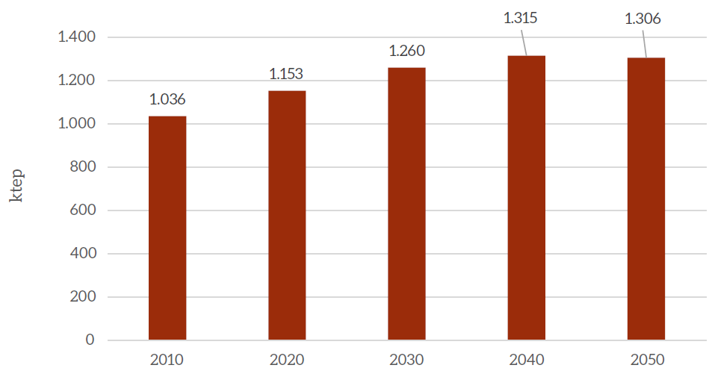

The table below is from the excel file that generated the results for buildings sector.

Commercial |  | 2010 | 2011 | 2012 | 2013 | 2014 | 2015 | 2016 | 2017 | 2018 | 2019 | 2020 | 2021 | 2022 | 2023 | 2024 | 2025 | 2026 | 2027 | 2028 | 2029 | 2030 | 2031 | 2032 | 2033 | 2034 | 2035 | 2036 | 2037 | 2038 | 2039 | 2040 | 2041 | 2042 | 2043 | 2044 | 2045 | 2046 | 2047 | 2048 | 2049 | 2050
Total consumption | MWh | 37,543,097.1 | 35,179,381.0 | 32,792,512.8 | 30,380,303.6 | 27,940,761.9 | 25,472,062.4 | 25,352,523.4 | 25,237,068.8 | 25,125,538.6 | 25,017,779.9 | 24,913,646.9 | 25,084,364.6 | 25,254,708.3 | 25,424,601.1 | 25,593,964.0 | 25,762,715.6 | 25,961,468.5 | 26,159,919.7 | 26,357,997.1 | 26,555,626.2 | 26,752,730.1 | 26,935,005.3 | 27,116,527.4 | 27,297,224.4 | 27,477,022.6 | 27,655,845.9 | 27,806,611.3 | 27,956,059.6 | 28,104,119.9 | 28,250,719.6 | 28,395,784.3 | 28,711,935.7 | 29,031,760.3 | 29,355,301.7 | 29,682,603.9 | 30,013,711.7 | 30,306,297.5 | 30,601,886.8 | 30,900,511.0 | 31,202,202.1 | 31,506,992.2
CONSUMPTION - INC | MWh
Southeast |  | 6,299,517.3 | 5,084,593.9 | 3,847,481.6 | 2,587,881.0 | 1,305,489.3 | 0.0 | 0.0 | 0.0 | 0.0 | 0.0 | 0.0 | 0.0 | 0.0 | 0.0 | 0.0 | 0.0 | 0.0 | 0.0 | 0.0 | 0.0 | 0.0 | 0.0 | 0.0 | 0.0 | 0.0 | 0.0 | 0.0 | 0.0 | 0.0 | 0.0 | 0.0 | 0.0 | 0.0 | 0.0 | 0.0 | 0.0 | 0.0 | 0.0 | 0.0 | 0.0 | 0.0
South |  | 1,915,389.1 | 1,545,987.6 | 1,169,839.5 | 786,853.8 | 396,938.3 | 0.0 | 0.0 | 0.0 | 0.0 | 0.0 | 0.0 | 0.0 | 0.0 | 0.0 | 0.0 | 0.0 | 0.0 | 0.0 | 0.0 | 0.0 | 0.0 | 0.0 | 0.0 | 0.0 | 0.0 | 0.0 | 0.0 | 0.0 | 0.0 | 0.0 | 0.0 | 0.0 | 0.0 | 0.0 | 0.0 | 0.0 | 0.0 | 0.0 | 0.0 | 0.0 | 0.0
Midwest |  | 986,825.0 | 796,506.2 | 602,711.4 | 405,393.9 | 204,506.1 | 0.0 | 0.0 | 0.0 | 0.0 | 0.0 | 0.0 | 0.0 | 0.0 | 0.0 | 0.0 | 0.0 | 0.0 | 0.0 | 0.0 | 0.0 | 0.0 | 0.0 | 0.0 | 0.0 | 0.0 | 0.0 | 0.0 | 0.0 | 0.0 | 0.0 | 0.0 | 0.0 | 0.0 | 0.0 | 0.0 | 0.0 | 0.0 | 0.0 | 0.0 | 0.0 | 0.0
North |  | 702,864.2 | 567,310.0 | 429,280.1 | 288,741.0 | 145,659.1 | 0.0 | 0.0 | 0.0 | 0.0 | 0.0 | 0.0 | 0.0 | 0.0 | 0.0 | 0.0 | 0.0 | 0.0 | 0.0 | 0.0 | 0.0 | 0.0 | 0.0 | 0.0 | 0.0 | 0.0 | 0.0 | 0.0 | 0.0 | 0.0 | 0.0 | 0.0 | 0.0 | 0.0 | 0.0 | 0.0 | 0.0 | 0.0 | 0.0 | 0.0 | 0.0 | 0.0
Northeast |  | 1,873,631.0 | 1,512,283.0 | 1,144,335.4 | 769,699.3 | 388,284.5 | 0.0 | 0.0 | 0.0 | 0.0 | 0.0 | 0.0 | 0.0 | 0.0 | 0.0 | 0.0 | 0.0 | 0.0 | 0.0 | 0.0 | 0.0 | 0.0 | 0.0 | 0.0 | 0.0 | 0.0 | 0.0 | 0.0 | 0.0 | 0.0 | 0.0 | 0.0 | 0.0 | 0.0 | 0.0 | 0.0 | 0.0 | 0.0 | 0.0 | 0.0 | 0.0 | 0.0

CONSUMPTION - FC | MWh
Southeast |  | 2,952,898.7 | 3,086,712.7 | 3,216,633.6 | 3,343,023.7 | 3,466,207.7 | 3,586,477.3 | 3,493,393.9 | 3,400,699.4 | 3,308,337.7 | 3,216,255.1 | 3,124,399.3 | 3,082,560.7 | 3,038,217.4 | 2,991,292.9 | 2,941,708.9 | 2,889,385.3 | 2,833,351.9 | 2,774,448.8 | 2,712,592.2 | 2,647,696.3 | 2,579,673.3 | 2,505,030.6 | 2,427,285.2 | 2,346,356.2 | 2,262,160.6 | 2,174,613.8 | 2,080,494.0 | 1,983,136.7 | 1,882,467.1 | 1,778,408.8 | 1,670,883.9 | 1,692,969.1 | 1,715,346.2 | 1,738,019.1 | 1,760,991.7 | 1,784,267.9 | 1,805,238.4 | 1,826,455.4 | 1,847,921.7 | 1,869,640.4 | 1,891,614.2
South |  | 897,838.6 | 938,525.2 | 978,028.1 | 1,016,457.4 | 1,053,911.9 | 1,090,480.3 | 1,062,178.0 | 1,033,993.9 | 1,005,911.0 | 977,913.0 | 949,983.9 | 937,262.8 | 923,780.0 | 909,512.5 | 894,436.3 | 878,527.1 | 861,490.0 | 843,580.3 | 824,772.6 | 805,040.8 | 784,358.2 | 761,662.8 | 738,024.1 | 713,417.4 | 687,817.4 | 661,198.5 | 632,581.1 | 602,979.3 | 572,370.3 | 540,731.1 | 508,037.8 | 514,752.9 | 521,556.7 | 528,450.5 | 535,435.4 | 542,512.6 | 548,888.7 | 555,339.8 | 561,866.7 | 568,470.3 | 575,151.6
Midwest |  | 462,574.2 | 483,536.3 | 503,888.5 | 523,687.6 | 542,984.5 | 561,824.9 | 547,243.3 | 532,722.6 | 518,254.1 | 503,829.2 | 489,439.9 | 482,885.9 | 475,939.5 | 468,588.7 | 460,821.3 | 452,624.8 | 443,847.1 | 434,619.9 | 424,930.0 | 414,764.0 | 404,108.1 | 392,415.3 | 380,236.4 | 367,558.8 | 354,369.5 | 340,655.2 | 325,911.2 | 310,660.1 | 294,890.1 | 278,589.3 | 261,745.4 | 265,205.1 | 268,710.5 | 272,262.2 | 275,860.9 | 279,507.2 | 282,792.2 | 286,115.9 | 289,478.6 | 292,880.8 | 296,323.1
North |  | 329,467.6 | 344,397.8 | 358,893.6 | 372,995.5 | 386,739.7 | 400,158.7 | 389,773.0 | 379,430.6 | 369,125.5 | 358,851.4 | 348,602.7 | 343,934.6 | 338,987.0 | 333,751.4 | 328,219.1 | 322,381.1 | 316,129.3 | 309,557.2 | 302,655.6 | 295,414.9 | 287,825.2 | 279,497.0 | 270,822.6 | 261,793.0 | 252,399.0 | 242,631.0 | 232,129.7 | 221,267.1 | 210,034.9 | 198,424.7 | 186,427.7 | 188,891.8 | 191,388.6 | 193,918.3 | 196,481.4 | 199,078.4 | 201,418.2 | 203,785.5 | 206,180.6 | 208,603.8 | 211,055.5
Northeast |  | 878,264.5 | 918,064.1 | 956,705.7 | 994,297.3 | 1,030,935.2 | 1,066,706.3 | 1,039,021.1 | 1,011,451.4 | 983,980.8 | 956,593.2 | 929,273.0 | 916,829.2 | 903,640.4 | 889,683.9 | 874,936.4 | 859,374.1 | 842,708.4 | 825,189.1 | 806,791.5 | 787,489.8 | 767,258.1 | 745,057.6 | 721,934.2 | 697,863.9 | 672,822.1 | 646,783.5 | 618,790.0 | 589,833.5 | 559,891.9 | 528,942.4 | 496,961.9 | 503,530.5 | 510,186.0 | 516,929.5 | 523,762.1 | 530,685.1 | 536,922.2 | 543,232.6 | 549,617.3 | 556,076.9 | 562,612.5

CONSUMPTION - FT | MWh
Southeast |  | 10,827,295.3 | 10,597,530.1 | 10,383,466.4 | 10,183,684.4 | 9,996,932.0 | 9,822,101.0 | 9,569,592.7 | 9,317,964.4 | 9,067,070.4 | 8,816,769.7 | 8,566,925.9 | 8,395,083.3 | 8,218,772.1 | 8,037,876.6 | 7,852,278.7 | 7,661,858.4 | 7,478,357.2 | 7,289,014.1 | 7,093,691.0 | 6,892,246.9 | 6,684,537.9 | 6,468,230.6 | 6,245,460.4 | 6,016,087.3 | 5,779,968.9 | 5,536,959.7 | 5,282,305.4 | 5,020,893.4 | 4,752,591.8 | 4,477,266.3 | 4,194,780.6 | 4,240,182.7 | 4,286,100.1 | 4,332,538.9 | 4,379,505.0 | 4,427,004.6 | 4,469,971.3 | 4,513,373.4 | 4,557,215.6 | 4,601,502.3 | 4,646,238.2
South |  | 3,292,075.0 | 3,222,214.1 | 3,157,127.3 | 3,096,382.9 | 3,039,600.3 | 2,986,442.3 | 2,909,666.3 | 2,833,157.9 | 2,756,872.7 | 2,680,768.0 | 2,604,802.2 | 2,552,552.9 | 2,498,944.9 | 2,443,943.0 | 2,387,511.3 | 2,329,613.4 | 2,273,819.2 | 2,216,248.9 | 2,156,860.2 | 2,095,610.5 | 2,032,455.9 | 1,966,686.9 | 1,898,952.9 | 1,829,211.3 | 1,757,418.7 | 1,683,530.9 | 1,606,102.4 | 1,526,619.3 | 1,445,041.2 | 1,361,327.6 | 1,275,436.9 | 1,289,241.6 | 1,303,202.9 | 1,317,322.8 | 1,331,603.0 | 1,346,045.4 | 1,359,109.6 | 1,372,306.1 | 1,385,636.5 | 1,399,102.0 | 1,412,704.1
Midwest |  | 1,696,105.5 | 1,660,112.5 | 1,626,579.3 | 1,595,283.2 | 1,566,028.3 | 1,538,640.9 | 1,499,085.2 | 1,459,667.4 | 1,420,364.7 | 1,381,154.8 | 1,342,016.6 | 1,315,097.3 | 1,287,478.0 | 1,259,140.5 | 1,230,066.4 | 1,200,236.9 | 1,171,491.3 | 1,141,830.6 | 1,111,233.0 | 1,079,676.6 | 1,047,138.8 | 1,013,254.1 | 978,356.9 | 942,425.4 | 905,437.3 | 867,369.7 | 827,477.9 | 786,527.4 | 744,497.7 | 701,367.8 | 657,116.1 | 664,228.4 | 671,421.4 | 678,696.1 | 686,053.4 | 693,494.2 | 700,225.0 | 707,024.0 | 713,891.9 | 720,829.4 | 727,837.4
North |  | 1,208,047.9 | 1,182,412.0 | 1,158,528.0 | 1,136,237.4 | 1,115,400.7 | 1,095,894.0 | 1,067,720.6 | 1,039,645.3 | 1,011,652.0 | 983,724.9 | 955,848.7 | 936,675.5 | 917,003.7 | 896,820.4 | 876,112.5 | 854,866.5 | 834,392.5 | 813,266.6 | 791,473.6 | 768,997.6 | 745,822.6 | 721,688.3 | 696,832.9 | 671,240.7 | 644,896.0 | 617,782.4 | 589,369.5 | 560,202.7 | 530,267.1 | 499,547.8 | 468,029.7 | 473,095.4 | 478,218.6 | 483,400.0 | 488,640.2 | 493,939.9 | 498,733.9 | 503,576.5 | 508,468.1 | 513,409.4 | 518,400.8
Northeast |  | 3,220,303.2 | 3,151,965.4 | 3,088,297.7 | 3,028,877.6 | 2,973,332.8 | 2,921,333.8 | 2,846,231.6 | 2,771,391.2 | 2,696,769.2 | 2,622,323.6 | 2,548,013.9 | 2,496,903.7 | 2,444,464.5 | 2,390,661.7 | 2,335,460.3 | 2,278,824.7 | 2,224,246.9 | 2,167,931.6 | 2,109,837.7 | 2,049,923.3 | 1,988,145.6 | 1,923,810.5 | 1,857,553.1 | 1,789,332.0 | 1,719,104.5 | 1,646,827.6 | 1,571,087.2 | 1,493,336.9 | 1,413,537.4 | 1,331,648.8 | 1,247,630.7 | 1,261,134.4 | 1,274,791.3 | 1,288,603.4 | 1,302,572.2 | 1,316,699.8 | 1,329,479.1 | 1,342,388.0 | 1,355,427.7 | 1,368,599.7 | 1,381,905.2

CONSUMPTION - LED | MWh
Southeast |  | 0.0 | 46,654.5 | 91,306.8 | 134,142.9 | 175,328.0 | 215,009.0 | 496,665.9 | 779,238.6 | 1,062,842.9 | 1,347,592.0 | 1,633,596.7 | 1,938,585.3 | 2,250,347.1 | 2,569,033.4 | 2,894,798.0 | 3,227,797.8 | 3,573,634.2 | 3,928,020.9 | 4,291,141.2 | 4,663,181.9 | 5,044,333.8 | 5,432,772.8 | 5,830,374.4 | 6,237,321.2 | 6,653,799.3 | 7,079,998.0 | 7,509,408.0 | 7,948,108.9 | 8,396,269.4 | 8,854,061.1 | 9,321,658.8 | 9,423,263.2 | 9,526,025.0 | 9,629,957.6 | 9,735,074.7 | 9,841,389.9 | 9,933,940.6 | 10,027,415.7 | 10,121,824.7 | 10,217,177.1 | 10,313,482.6
South |  | 0.0 | 14,185.5 | 27,762.1 | 40,786.6 | 53,309.1 | 65,374.2 | 151,012.9 | 236,930.1 | 323,160.9 | 409,739.8 | 496,700.5 | 589,433.3 | 684,225.5 | 781,123.1 | 880,172.9 | 981,422.6 | 1,086,575.3 | 1,194,327.8 | 1,304,735.7 | 1,417,855.9 | 1,533,746.4 | 1,651,852.5 | 1,772,744.6 | 1,896,478.2 | 2,023,109.7 | 2,152,696.8 | 2,283,260.4 | 2,416,648.8 | 2,552,913.5 | 2,692,106.6 | 2,834,281.2 | 2,865,174.4 | 2,896,419.4 | 2,928,020.5 | 2,959,981.7 | 2,992,307.2 | 3,020,447.5 | 3,048,868.9 | 3,077,574.3 | 3,106,566.5 | 3,135,848.5
Midwest |  | 0.0 | 7,308.5 | 14,303.3 | 21,013.6 | 27,465.3 | 33,681.3 | 77,803.2 | 122,068.4 | 166,495.3 | 211,101.5 | 255,904.4 | 303,681.1 | 352,518.9 | 402,441.4 | 453,472.7 | 505,637.4 | 559,813.0 | 615,328.0 | 672,211.1 | 730,491.6 | 790,199.4 | 851,048.7 | 913,333.3 | 977,081.9 | 1,042,323.6 | 1,109,088.0 | 1,176,355.5 | 1,245,078.3 | 1,315,283.1 | 1,386,996.6 | 1,460,246.1 | 1,476,162.6 | 1,492,260.3 | 1,508,541.4 | 1,525,008.1 | 1,541,662.5 | 1,556,160.6 | 1,570,803.6 | 1,585,592.9 | 1,600,529.9 | 1,615,616.2
North |  | 0.0 | 5,205.4 | 10,187.5 | 14,966.9 | 19,562.1 | 23,989.5 | 55,415.1 | 86,943.0 | 118,586.0 | 150,356.6 | 182,267.4 | 216,296.3 | 251,080.9 | 286,638.1 | 322,985.1 | 360,139.3 | 398,725.7 | 438,266.2 | 478,781.1 | 520,291.3 | 562,818.0 | 606,157.8 | 650,519.9 | 695,924.7 | 742,393.0 | 789,945.8 | 837,856.9 | 886,804.7 | 936,807.9 | 987,885.7 | 1,040,057.5 | 1,051,394.0 | 1,062,859.6 | 1,074,455.8 | 1,086,184.1 | 1,098,046.2 | 1,108,372.5 | 1,118,801.9 | 1,129,335.5 | 1,139,974.4 | 1,150,719.6
Northeast |  | 0.0 | 13,876.2 | 27,156.9 | 39,897.4 | 52,146.9 | 63,948.9 | 147,720.6 | 231,764.7 | 316,115.6 | 400,806.9 | 485,871.7 | 576,582.8 | 669,308.4 | 764,093.6 | 860,984.0 | 960,026.3 | 1,062,886.5 | 1,168,289.8 | 1,276,290.7 | 1,386,944.7 | 1,500,308.6 | 1,615,839.9 | 1,734,096.4 | 1,855,132.3 | 1,979,003.1 | 2,105,765.1 | 2,233,482.2 | 2,363,962.6 | 2,497,256.5 | 2,633,415.0 | 2,772,490.0 | 2,802,709.7 | 2,833,273.5 | 2,864,185.6 | 2,895,450.0 | 2,927,070.8 | 2,954,597.6 | 2,982,399.4 | 3,010,479.0 | 3,038,839.1 | 3,067,482.7

Street Lighting
TOTAL CONSUMPTION | MWh | 12,804,740.8 | 13,101,128.3 | 13,073,553.9 | 12,730,026.2 | 12,615,503.0 | 12,488,258.4 | 12,348,342.8 | 12,371,182.1 | 12,387,389.4 | 12,396,935.8 | 12,399,797.8 | 12,384,013.0 | 12,485,790.6 | 12,585,019.1 | 12,681,694.2 | 12,775,807.5 | 12,867,311.2 | 13,015,877.5 | 13,163,569.9 | 13,310,386.7 | 13,456,327.9 | 13,572,451.3 | 13,687,689.6 | 13,802,042.7 | 13,915,510.6 | 14,028,093.3 | 14,139,790.9 | 14,126,032.7 | 14,108,733.9 | 14,087,894.3 | 14,063,514.0 | 13,995,115.0 | 13,837,200.7 | 13,675,473.6 | 13,509,933.7 | 13,340,581.1 | 13,167,415.7 | 13,260,889.8 | 13,354,364.0 | 13,447,838.2 | 13,541,312.4
Southeast |  | 5,840,598.2 | 5,956,761.2 | 5,928,246.5 | 5,772,299.7 | 5,705,061.4 | 5,632,800.7 | 5,555,624.7 | 5,552,236.1 | 5,546,094.8 | 5,537,127.1 | 5,525,286.3 | 5,505,877.2 | 5,538,509.9 | 5,569,665.6 | 5,599,278.1 | 5,627,275.2 | 5,653,500.0 | 5,703,985.7 | 5,753,122.9 | 5,800,746.9 | 5,846,624.2 | 5,897,078.5 | 5,947,148.3 | 5,996,833.4 | 6,046,134.0 | 6,095,049.9 | 6,143,581.3 | 6,137,603.5 | 6,130,087.3 | 6,121,032.8 | 6,110,439.8 | 6,080,721.2 | 6,012,109.2 | 5,941,840.6 | 5,869,915.3 | 5,796,333.5 | 5,721,095.1 | 5,761,708.6 | 5,802,322.1 | 5,842,935.5 | 5,883,549.0
South |  | 2,154,584.3 | 2,194,636.7 | 2,192,423.0 | 2,134,739.0 | 2,109,044.6 | 2,081,619.6 | 2,052,683.7 | 2,051,326.1 | 2,049,079.6 | 2,045,924.9 | 2,041,837.7 | 2,034,904.0 | 2,047,179.1 | 2,059,071.7 | 2,070,558.6 | 2,081,605.4 | 2,091,996.5 | 2,111,364.4 | 2,130,428.0 | 2,149,132.2 | 2,167,412.3 | 2,186,116.3 | 2,204,677.7 | 2,223,096.6 | 2,241,372.9 | 2,259,506.6 | 2,277,497.8 | 2,275,281.7 | 2,272,495.4 | 2,269,138.8 | 2,265,211.8 | 2,254,194.8 | 2,228,759.5 | 2,202,710.1 | 2,176,046.6 | 2,148,768.9 | 2,120,877.2 | 2,135,933.1 | 2,150,989.0 | 2,166,044.9 | 2,181,100.8
Midwest |  | 1,346,223.1 | 1,391,842.8 | 1,388,053.5 | 1,351,766.5 | 1,356,547.3 | 1,359,597.5 | 1,360,829.2 | 1,379,800.4 | 1,398,133.1 | 1,415,808.0 | 1,432,806.6 | 1,446,851.4 | 1,475,014.5 | 1,503,379.6 | 1,531,995.9 | 1,560,912.3 | 1,590,244.3 | 1,627,553.3 | 1,665,814.5 | 1,705,168.0 | 1,745,803.9 | 1,760,869.6 | 1,775,820.4 | 1,790,656.4 | 1,805,377.6 | 1,819,983.9 | 1,834,475.4 | 1,832,690.4 | 1,830,446.1 | 1,827,742.4 | 1,824,579.3 | 1,815,705.3 | 1,795,217.8 | 1,774,235.5 | 1,752,758.6 | 1,730,787.1 | 1,708,320.8 | 1,720,448.0 | 1,732,575.2 | 1,744,702.5 | 1,756,829.7
North |  | 697,158.3 | 714,857.6 | 717,327.3 | 698,613.2 | 704,332.1 | 708,842.3 | 712,051.3 | 724,199.2 | 735,739.5 | 746,689.4 | 757,057.9 | 765,589.7 | 781,425.5 | 797,235.1 | 813,065.4 | 828,960.6 | 845,008.7 | 865,251.6 | 885,976.6 | 907,286.2 | 929,301.1 | 937,320.7 | 945,279.1 | 953,176.4 | 961,012.5 | 968,787.6 | 976,501.5 | 975,551.3 | 974,356.6 | 972,917.5 | 971,233.7 | 966,510.1 | 955,604.4 | 944,435.5 | 933,003.2 | 921,307.6 | 909,348.7 | 915,804.1 | 922,259.5 | 928,714.8 | 935,170.2
Northeast |  | 2,766,177.0 | 2,843,030.1 | 2,847,503.6 | 2,772,607.7 | 2,740,517.6 | 2,705,398.3 | 2,667,153.9 | 2,663,620.3 | 2,658,342.4 | 2,651,386.6 | 2,642,809.4 | 2,630,790.7 | 2,643,661.7 | 2,655,667.1 | 2,666,796.2 | 2,677,054.0 | 2,686,561.7 | 2,707,722.3 | 2,728,227.9 | 2,748,053.3 | 2,767,186.4 | 2,791,066.2 | 2,814,764.1 | 2,838,279.9 | 2,861,613.6 | 2,884,765.4 | 2,907,735.1 | 2,904,905.8 | 2,901,348.5 | 2,897,063.0 | 2,892,049.4 | 2,877,983.6 | 2,845,509.8 | 2,812,251.9 | 2,778,210.0 | 2,743,384.0 | 2,707,773.9 | 2,726,996.1 | 2,746,218.3 | 2,765,440.5 | 2,784,662.8

commercial-residential-other
Notes:
1. To estimate the others demand for commercial we had to rely on the figure 122 from MOP Building Book; We estimate some points using webplotdigitizer tool and then we linear interpolated the data to get the time serie.
2. MOP computes the energy demand in ktep, to convert to BTU we assume the factor: 1 tep = 3,968e+7 BTU or 1 ktep = 3,968e+10 BTU;
39683051201

Figure 122 - Total Energy Consumption by End Use in the Commercial, Services and Public Sectors in the REF scenario (2010-2050)
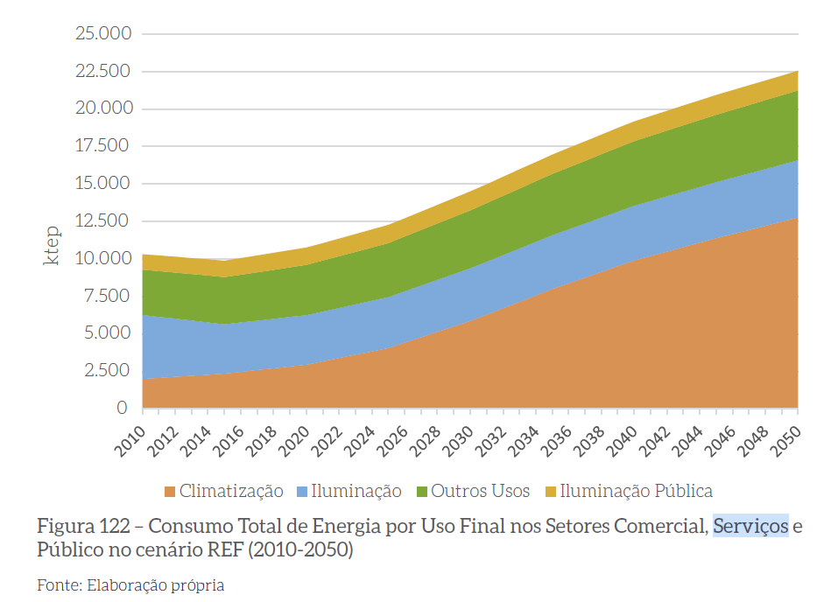

OTHER ELECTRICAL - SERVICES | ktep
 | 2015 | 2016 | 2017 | 2018 | 2019 | 2020 | 2021 | 2022 | 2023 | 2024 | 2025 | 2026 | 2027 | 2028 | 2029 | 2030 | 2031 | 2032 | 2033 | 2034 | 2035 | 2036 | 2037 | 2038 | 2039 | 2040 | 2041 | 2042 | 2043 | 2044 | 2045 | 2046 | 2047 | 2048 | 2049 | 2050
 | 3070 | 3130.5 | 3191 | 3251.5 | 3312 | 3372.5 | 3433 | 3493.5 | 3554 | 3614.5 | 3675 | 3768 | 3861 | 3954 | 4047 | 4140 | 4233 | 4326 | 4419 | 4512 | 4605 | 4698 | 4791 | 4884 | 4917.91667 | 4951.83333 | 4985.75 | 5019.66667 | 5053.58333 | 5087.5 | 5121.41667 | 5155.33333 | 5189.25 | 5223.16667 | 5257.08333 | 5291

